FURNITURE BID Info
 |  |  |  |  |  |  |  |  |  |  |  | Project Location: | Suite 209
 |  |  |  |  |  | Issued for Quote: |  |  |  |  |  |  | Gene Snyder U.S. Court House
 |  |  |  |  |  | 2023-08-23 |  |  |  |  |  |  | 601 W Broadway
 |  |  |  |  |  |  |  |  |  |  |  |  | Louisville, KY 40202
 |  |  |  |  |  |  |  |  |  |  |  | Project Estimated Start: | ASAP

Room | Room Name | Key | Manufacturer | Description / Link | Model # | Image | QUOTED AS SPECIFIED | CANNOT BE BID | SUBSTUTUTE PROVIDED | LEAD TIME in Weeks | QTY | COST CEILING 2023 | UNIT PRICE | EXTENDED COST | INSTALL COSTS | FREIGHT PER MFG. | TOTAL PRODUCT, DELIVERED, INSTALLED, FREIGHT, PER QUANTITY

C A S E G O O D S & C H A I R S
209E | Reception | CR-1 | OFS | Cambria Laminate | 23-M6220CLF | 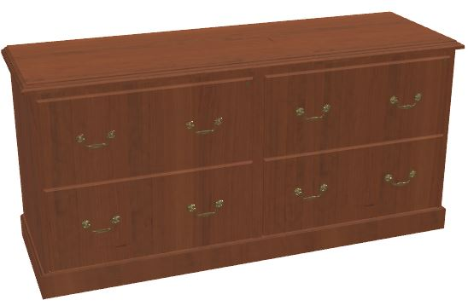 |  |  |  |  | 1 |  | $1.00 | $1.00 | $0.50 | $0.25 | $1.75
 |  |  |  | Four Drawer Lateral File Credenza
 |  |  |  | 62"W x 20"D x 30"H
 |  |  |  | Finish: Sienna | LC2
 |  |  |  | Moulding: Cameo | LL
 |  |  |  | Pulls: Colonnade, Antique Brass | A1M
 |  |  |  | Back: Unfinished
 |  |  |  | Grommets: None | G1
 |  |  |  | Locking: 2 lock cores | LCK2
 |  |  |  | https://ofs.com/products/workspaces/private-office/cambria?search=cambria
209F, 209H, 209I, 209J | Clerk's Offices | BC-1 | OFS | Cambria Laminate |  | 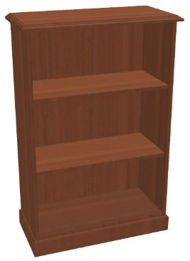 |  |  |  |  | 4 |  | $1.00 | $4.00 | $0.50 | $- | $4.50
 |  |  |  | Bookcase 32"W x 48"H
 |  |  |  | Two Adjustable Shelves / One Stationary Shelf | 23-W3248BC
 |  |  |  | Finish: Sienna
 |  |  |  | Back: Unfinished | LW

 |  |  |  | https://ofs.com/products/workspaces/private-office/cambria?search=cambria
209D | Copy Room | MM-1 | OFS | Mile Marker Base Cabinet & Top
 |  |  |  | Open Base Cabinet 17.5" Deep x 24" Wide | MM-241833BC |  |  |  |  |  | 2 |  | $1.00 | $2.00 | $- | $- | $2.00
 |  |  |  | Adjustable Shelves | R8
 |  |  |  | Finish: Textured Laminate | LO2 - Loft
 |  |  |  | Laminate Work Surface include Backsplash
 |  |  |  | 18:"Deep x 48"Wide x 1" Thick | MM-4818TL
 |  |  |  | Top/Splash & Edge Finish: Textured Laminate | LO2 - Loft |  |  |  |  |  | 1 |  | $1.00 | $1.00 | $- | $- | $1.00

 |  |  |  | https://carolina.ofs.com/products/casegoods/cabinetry/mile-marker?search=mile
209D | Copy Room | MM-2 | OFS | Mile Marker Upper Cabinet | MM-301430UCD | 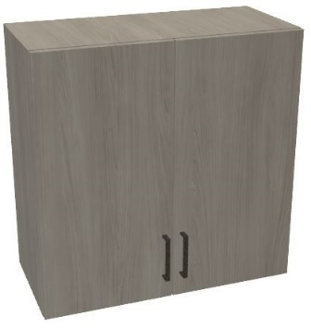 |  |  |  |  | 1 |  | $1.00 | $1.00 | $- | $- | $1.00
 |  |  |  | 30"W x 30"H x 14"D
 |  |  |  | Adjustable Shelves | R8
 |  |  |  | Chassis, Door, Door Edge Finish: Textured Laminate | LO2 - Loft
 |  |  |  | Pull: Era, Oil Bronze | H1P
 |  |  |  | No Lock
 |  |  |  | https://carolina.ofs.com/products/casegoods/cabinetry/mile-marker?search=mile
209D | Copy Room | MM-3 | OFS | Mile Marker Upper Cabinet | MM-361430UCD |  |  |  |  |  | 1 |  | $1.00 | $1.00 | $- | $- | $1.00
 |  |  |  | 36"W x 30"H x 14"D
 |  |  |  | Adjustable Shelves | R8
 |  |  |  | Chassis, Door, Door Edge Finish: Textured Laminate | LO2 - Loft
 |  |  |  | Pull: Era, Oil Bronze | H1P
 |  |  |  | No Lock
 |  |  |  | https://carolina.ofs.com/products/casegoods/cabinetry/mile-marker?search=mile
209D | Copy Room | MM-4 | OFS | Mile Marker Storage Cabinet w/ Flat Top | MM-212484SCD |  |  |  |  |  | 1 |  | $1.00 | $1.00 | $- | $- | $1.00
 |  |  |  | 21"W x 84"H x 24"D
 |  |  |  | Adjustable Shelves | R8
 |  |  |  | Chassis, Door, Door Edge Finish: Textured Laminate | LO2 - Loft
 |  |  |  | Pull: Era, Oil Bronze | H1P
 |  |  |  | No Lock
 |  |  |  | https://carolina.ofs.com/products/casegoods/cabinetry/mile-marker?search=mile
209-B | Toilet Room | T-1 | Wayfair / Winston Porter | Carlett 31.6" Console Table | W-000388589 | 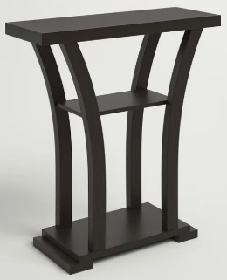 |  |  |  |  | 1 |  | $1.00 | $1.00 | $- | $- | $1.00
 |  |  |  | 31 1/2"W x 11 1/2"D x 33 3/4"H
 |  |  |  | Assembly Required
 |  |  |  | Dark Brown Wood

 |  |  |  | https://www.wayfair.com/furniture/pdp/winston-porter-carlett-316-console-table-w000388598.html
209F, 209H, 209I, 209J, 209K | Clerk's Offices | KB-1 | ESI | Keyboard Tray |  | 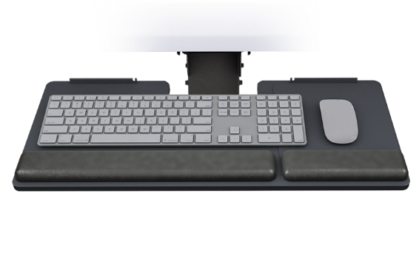 |  |  |  |  | 5 |  | $1.00 | $5.00 | $- | $- | $5.00
 |  |  | a Fellowes Brand | SolutionAll-Fit Keyboard Platform Combo, Includes AA100 Ultra Compact Arm w/PL003-27N Keyboard Platform for shallow surfaces (12.25" track)

 |  |  |  | https://www.esiergo.com/keyboard-solutions/combo-solutions/sp/solutionall-fit/

 |  |  |  |  |  |  |  |  |  | SUBTOTALS |  |  |  | $12.00 | $1.00 | $0.25 | $13.25

I N S T A L L A T I O N & D E L I V E R Y
 |  |  |  |  |  | DELIVERY, Lump Sum by Dealer (if not included above) |  |  |  |  |  |  |  |  |  |  | $1.00

 |  |  |  |  |  | INSTALLATION, Lump Sum by Dealer (if not included above) |  |  |  |  |  |  |  |  |  |  | $1.00

 |  |  |  |  |  |  |  |  |  | TOTAL |  |  |  |  |  |  | $15.25

